Dashboard

IPL Player Performance


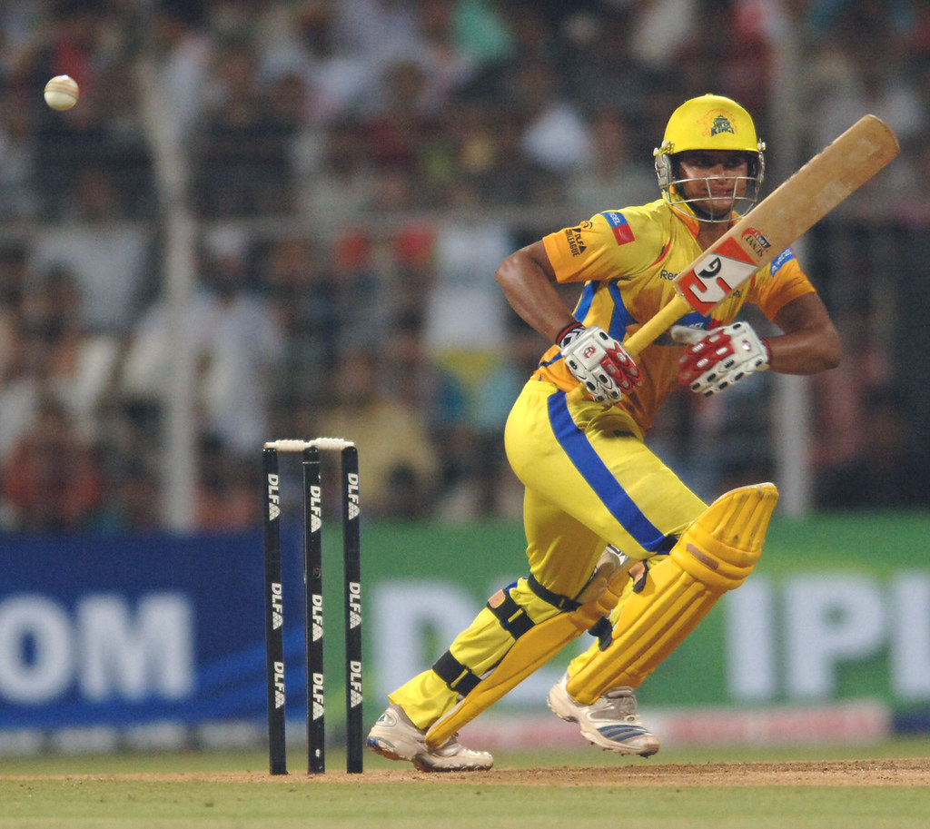
Total Runs
 | Runs
2009 | 434
2010 | 520
2011 | 438
2012 | 441
2013 | 548
2014 | 523
2015 | 374
2016 | 399
2017 | 442
 | Ave
2009 | 31
2010 | 47
2011 | 31
2012 | 26
2013 | 42
2014 | 40
2015 | 25
2016 | 29
2017 | 40
David Warner

Virat Kolhi

Suresh Raina

